Inputs and Calc
Compressed Air Leak Repair Savings |  |  |  |  |  |  |  |  |  | Comp 1 (VFD, trim)
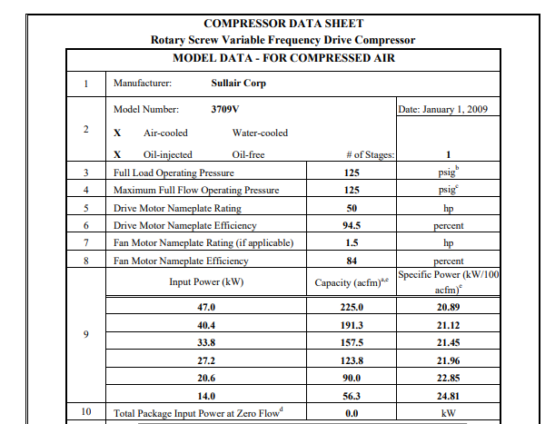
Compressor Info | Compressor 1 | Compressor 2 | Compressor 3 | Compressor 4 | Compressor 5 | Identified Leak Info |  |  | Legend
Make |  |  |  |  |  | Number of identified leaks | 0 |  | Inputs
Model |  |  |  |  |  | Total identified leak CFM | 0.00 |  | Calcs
Compressor Type
Size (HP) |  |  |  |  |  | Repaired Leak Info
Rated Capacity (cfm) |  |  |  |  |  | Number of repaired leaks | 0
Control Type |  |  |  |  |  | Total repaired leak CFM (capped at 67% of Total System Capacity) | 0.00
Sequence Number | 1 | 2 | 3 | 4 | 5
Backup Unit (Y/N) |  |  |  |  |  | System Info
Optional Fields - Leave blank if unknown |  |  |  |  |  | Operating Hours
Full Load Power (kW) |  |  |  |  |  | Staging/Sequencing Type |  | system hours, not facility hours
Zero Flow Power (kW) |  |  |  |  |  | Total Storage Capacity (in gallons; optional) |  | Gal /CFM
Compressor effy (kW/cfm) | #DIV/0! | #DIV/0! | #DIV/0! | #DIV/0! | #DIV/0! | Savings Method | IL TRM
Compressor effy source | #DIV/0! | #DIV/0! | #DIV/0! | #DIV/0! | #DIV/0!
 |  |  |  |  |  | Project Info
Identified calcs |  |  |  |  |  | Shifts
Compressor cfm reduction | #N/A | #N/A | #N/A | #N/A | #N/A | Proposal cost
Compressor CFM % savings |  |  |  |  |  | Invoice cost
Compressor kW savings | #N/A | #N/A | #N/A | #N/A | #N/A | Utility Rate ($/kWh) | $0.080
Compressor kWh savings | #N/A | #N/A | #N/A | #N/A | #N/A
 |  |  |  |  |  | System Calcs
Repaired calcs |  |  |  |  |  | Total HP (non back-up) | 0
Compressor cfm reduction | #N/A | #N/A | #N/A | #N/A | #N/A | Total Capacity (cfm) | 0
Compressor CFM % savings |  |  |  |  |  | # compressors | 0
Compressor kW savings | #N/A | #N/A | #N/A | #N/A | #N/A | # compressors with leak svgs | 0
Compressor kWh savings | #N/A | #N/A | #N/A | #N/A | #N/A

Project Summary | Identified | Repaired
Demand Savings (kW) | 0.00 | 0.00
Energy Savings (kWh) | 0 | 0
Cost Savings (annual) | $0 | $0
Project Cost | $- | $-
Payback (yr) | #DIV/0! | #DIV/0!

Benchmarks | Identified | Repaired | Notes
# Leaks | 0 | 0
Leak volume (cfm) | 0.00 | 0.00
Repair % (by vol) |  | #DIV/0! | >50% good. Ideally >85%
Leak % (cfm) | #DIV/0! | #DIV/0! | DOE suggests 20-30% for a typical system, large systems are commonly 40-50%, and can be as high as 80%. https://www.airbestpractices.com/system-assessments/leaks/protect-profits-compressed-air-leakage-best-practices
cfm/leak | #DIV/0! | #DIV/0! | AirBestPractices suggests 3cfm/leak for a tight system, 4cfm/leak for a typical system, and 5cfm/leak for a poorly maintained system. https://www.airbestpractices.com/system-assessments/leaks/are-compressed-air-leaks-worth-fixing

